Chart 1
Percentage of people ages 25 - 34 living at parantal home
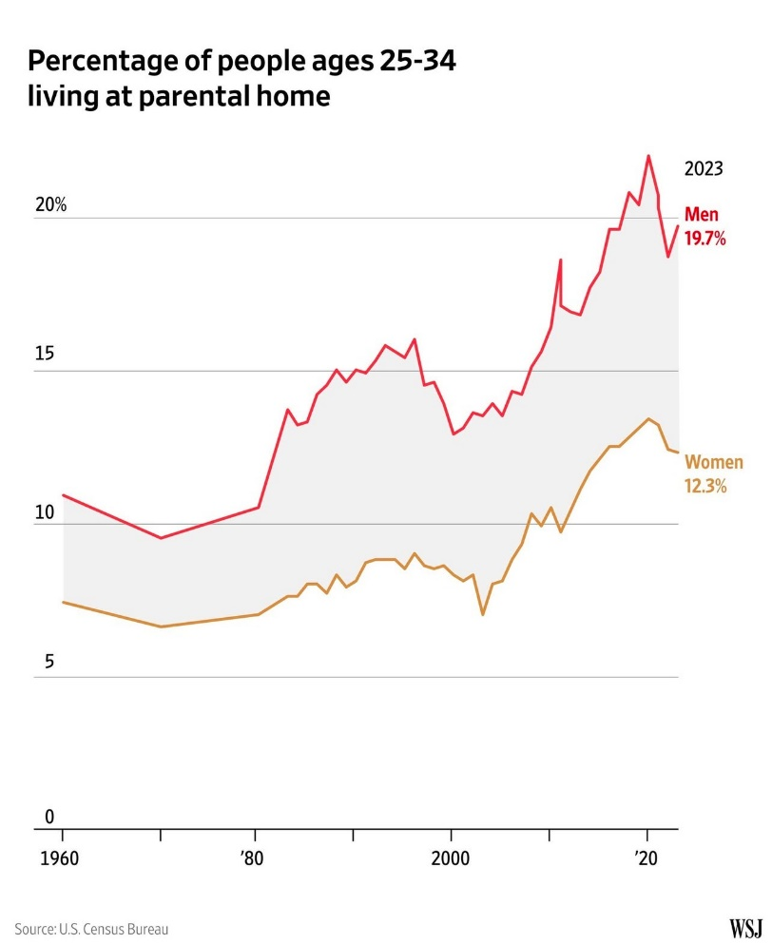
year | Men | Women
2023-01-01 | 19.70% | 12.30%
2022-01-01 | 18.70% | 12.40%
2021-01-01 | 20.30% | 13.20%
2020-01-01 | 22.00% | 13.40%
2019-01-01 | 20.40% | 13.10%
2018-01-01 | 20.77% | 12.83%
2017-01-01 | 19.60% | 12.50%
2016-01-01 | 19.60% | 12.50%
2015-01-01 | 18.20% | 12.10%
2014-01-01 | 17.70% | 11.70%
2013-01-01 | 16.80% | 11.10%
2012-01-01 | 16.90% | 10.40%
2011-01-01 | 17.10% | 9.70%
2010-01-01 | 16.40% | 10.50%
2009-01-01 | 15.60% | 9.90%
2008-01-01 | 15.10% | 10.30%
2007-01-01 | 14.20% | 9.30%
2006-01-01 | 14.30% | 8.80%
2005-01-01 | 13.50% | 8.10%
2004-01-01 | 13.90% | 8.00%
2003-01-01 | 13.50% | 7.00%
2002-01-01 | 13.60% | 8.30%
2001-01-01 | 13.10% | 8.10%
2000-01-01 | 12.90% | 8.30%
1999-01-01 | 13.90% | 8.60%
1998-01-01 | 14.60% | 8.50%
1997-01-01 | 14.50% | 8.60%
1996-01-01 | 16.00% | 9.00%
1995-01-01 | 15.40% | 8.50%
1994-01-01 | 15.60% | 8.80%
1993-01-01 | 15.80% | 8.80%
1992-01-01 | 15.30% | 8.80%
1991-01-01 | 14.90% | 8.70%
1990-01-01 | 15.00% | 8.10%
1989-01-01 | 14.60% | 7.90%
1988-01-01 | 15.00% | 8.30%
1987-01-01 | 14.50% | 7.70%
1986-01-01 | 14.20% | 8.00%
1985-01-01 | 13.30% | 8.00%
1984-01-01 | 13.20% | 7.60%
1983-01-01 | 13.70% | 7.60%
1982-01-01 | 12.00% | 7.30%
1981-01-01 | 11.00% | 7.00%
1980-01-01 | 9.95% | 6.76%
1979-01-01 | 9.89% | 6.68%
1978-01-01 | 9.83% | 6.60%
1977-01-01 | 9.77% | 6.52%
1976-01-01 | 9.71% | 6.44%
1975-01-01 | 9.65% | 6.36%
1974-01-01 | 9.59% | 6.28%
1973-01-01 | 9.53% | 6.20%
1972-01-01 | 9.47% | 6.12%
1971-01-01 | 9.41% | 6.04%
1970-01-01 | 9.30% | 6.00%
1969-01-01 | 9.42% | 6.10%
1968-01-01 | 9.54% | 6.20%
1967-01-01 | 9.66% | 6.30%
1966-01-01 | 9.78% | 6.40%
1965-01-01 | 9.90% | 6.50%
1964-01-01 | 10.02% | 6.60%
1963-01-01 | 10.14% | 6.70%
1962-01-01 | 10.26% | 6.80%
1961-01-01 | 10.38% | 6.90%
1960-01-01 | 10.50% | 7.00%

Chart 2
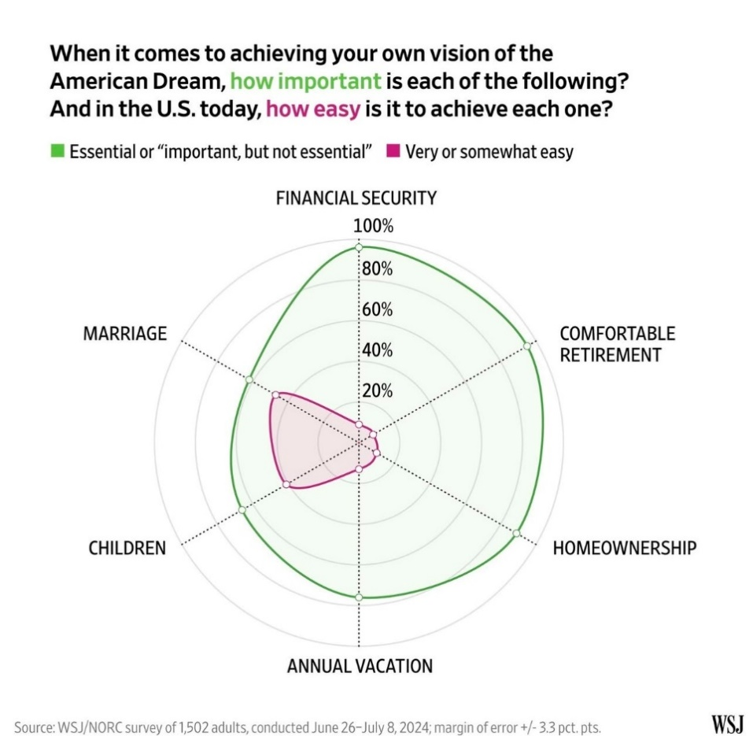
 | How Important | How Easy
FINANCIAL SECURITY | 98% | 7%
COMFORTABLE RETIREMENT | 98% | 6%
HOMEOWNERSHIP | 88% | 9%
ANNUAL VACATION | 77% | 12%
CHILDREN | 64% | 40%
MARRIAGE | 61% | 45%

Chart 3
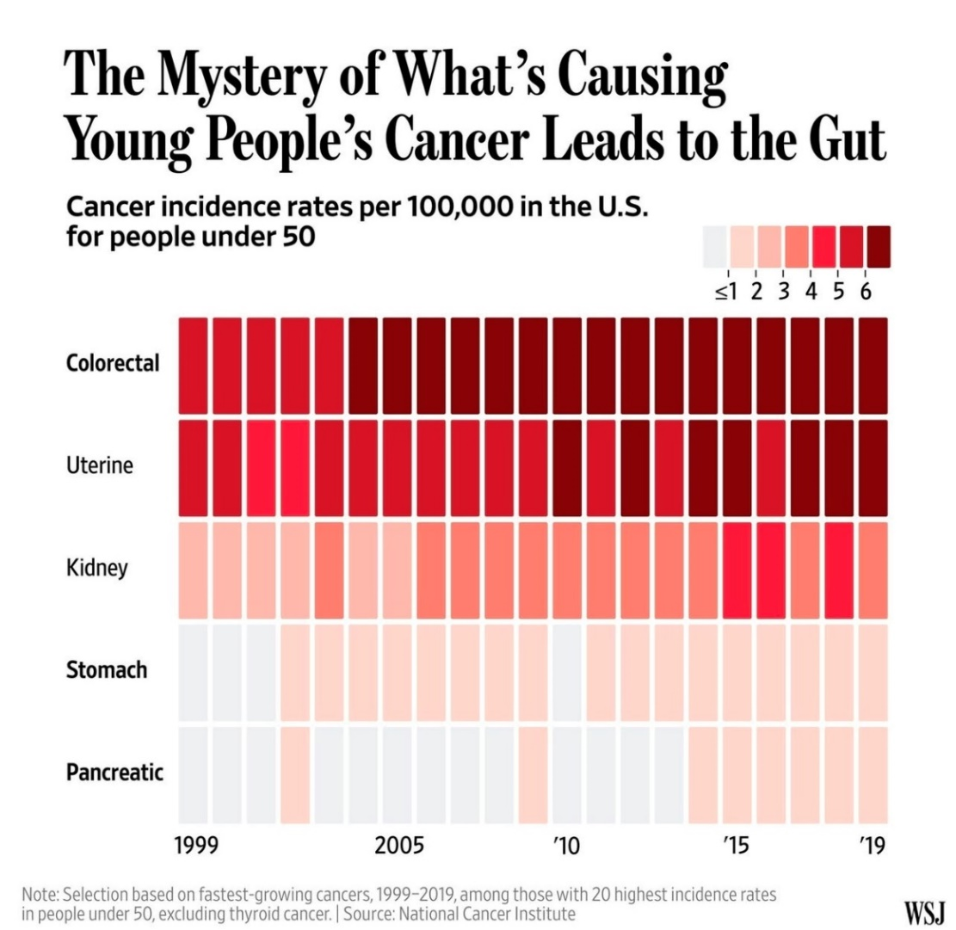

Colorectal | 5.5 | 5.5 | 5.5 | 5.5 | 5.5 | 7 | 7 | 7 | 7 | 7 | 7 | 7 | 7 | 7 | 7 | 7 | 7 | 7 | 7 | 7 | 7
Uterine | 5.5 | 5.5 | 4.5 | 4.5 | 5.5 | 5.5 | 5.5 | 5.5 | 5.5 | 5.5 | 5.5 | 7 | 5.5 | 7 | 5.5 | 7 | 7 | 5.5 | 7 | 7 | 7
Kidney | 2.5 | 2.5 | 2.5 | 2.5 | 3.5 | 2.5 | 2.5 | 3.5 | 3.5 | 3.5 | 3.5 | 3.5 | 3.5 | 3.5 | 3.5 | 3.5 | 4.5 | 4.5 | 3.5 | 4.5 | 3.5
Stomach | 0 | 0 | 0 | 1.5 | 1.5 | 1.5 | 1.5 | 1.5 | 1.5 | 1.5 | 1.5 | 0 | 1.5 | 1.5 | 1.5 | 1.5 | 1.5 | 1.5 | 1.5 | 1.5 | 1.5
Pancreatic | 0 | 0 | 0 | 1.5 | 0 | 0 | 0 | 0 | 0 | 0 | 1.5 | 0 | 0 | 0 | 0 | 1.5 | 1.5 | 1.5 | 1.5 | 1.5 | 1.5

